Hiearchy View
CLASS: DOOR CONTACT
sensors that let a system know whether a door is opened or closed. |  | 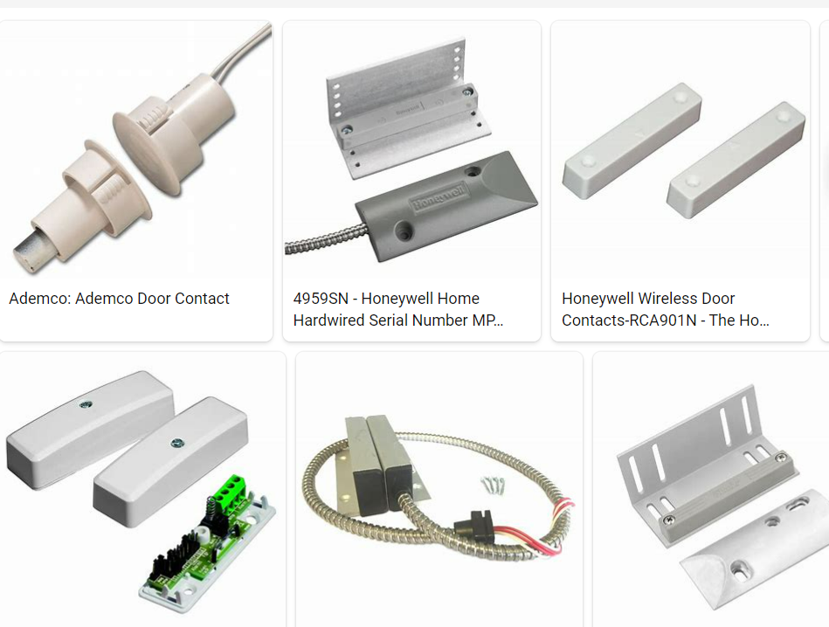
REMOVE | N

PROBLEM_DESC | CAUSE_DESC | REMEDY_DESC
ALARM/SENSOR
BROKEN/DAMAGED
OTHER PROBLEM
POWER-ELEC
STOPPED/SLOWED/POOR OPS
TEMP-CTRL
VIBRATION
Grand Total

